Project Timeline
 | Comparator
 | TIMELINE
 | POSITION |  | DATE
Project Start | -2 | 12/20/2013 | 1
Exporting multiple 3D assy at a time | 5 | 1/21/2014 | 1
Exporting specific assy from 2D and multiple pages | -5 | 1/28/2014 | 1
Creating a functional UI | 4 | 2/4/2014 | 1
Creating an HTML report | -2 | 2/11/2014 | 1
Enabling Batch mode | 3 | 2/18/2014 | 1
Importing Excel table to CATIA with flagnotes | 5 | 2/25/2014 | 1
Exporting hinges from lower sub assys | -4 | 3/4/2014 | 1
Generate notes based on Dwg code & matl | 2 | 3/4/2014 | 1
Auto generate NPCF forms | -7 | 3/11/2014 | 1
Spell check on drawings and ECNs | 4 | 4/1/2014 | 1
Check for sheet number | -4 | 4/8/2014 | 1
Deploying application to designers | 6 | 4/8/2014 | 1
 |  | Total

 | PROJECT DETAILS |  | Working 8hrs Mon and Fri
Steps | DATE | MILESTONE | POSITION | HRS |  | Initial state: | It verifies the part number, the quantity and the nomenclature associated in the 3D and 2D.
 | 2013-12-20 | Project Start | -2 |  | Phase 1: 88 hrs |  | For the moment, the Comparator must be used in conjunction with
1 | 2014-01-21 | Exporting multiple 3D assy at a time | 5 | 16 |  |  | the Export BOM macro. The user must then copy and paste the 3D result from
2 | 2014-01-28 | Exporting specific assy from 2D and multiple pages | -5 | 8 |  |  | the chosen assembly, as well as the 2D result of the chosen 2D table in CATIA into
3 | 2014-02-04 | Creating a functional UI | 4 | 16 |  |  | the Excel workbook containing the Comparator macro
4 | 2014-02-11 | Creating an HTML report | -2 | 16
5 | 2014-02-18 | Enabling Batch mode | 3 | 16 |  | Limitations: | •The 3D Export takes too long sometimes up to 15 minutes and it can’t include multi-pages part lists in a single selection.
6 | 2014-02-25 | Importing Excel table to CATIA with flagnotes | 5 | 16 |  |  | •The initial exporting, copy & pasting process is too much of an hassle for the user.
7 | 2014-03-04 | Exporting hinges from lower sub assys | -4 | 8 | Phase 2: 72 hrs |  | The user can only compare one drawing and one 3D sub-assembly at a time
8 | 2014-03-04 | Generate notes based on Dwg code & matl | 2 | 8
9 | 2014-03-11 | Auto generate NPCF forms | -7 | 16 |  | New Functionalities: | •User will be able to simply select the 2D and will compare the associated direct children of that drawing
10 | 2014-04-01 | Spell check on drawings and ECNs | 4 | 24 |  |  | •User will be able to select a multi-page part list
11 | 2014-04-08 | Check for sheet number | -4 | 8 |  |  | •User will be able to have an output in multiple formats such as HTML and Excel
12 | 2014-04-08 | Deploying application to designers | 6 | 8
 | Total |  |  | 160

UI
1
6

2

3

4

5

1
The user selects a 3D product as an input.

2
The user selects then select which children will be treated

3
The user sees in the text box his selection and select the output format to HTML

4
After the selection of the output is done then the user can launch the macro

5
After the launch, the user can see the progress of the macro

6
The final result, in this case, is a HTML file that gives the difference with the 2D and 3D

Error reasons in PE node
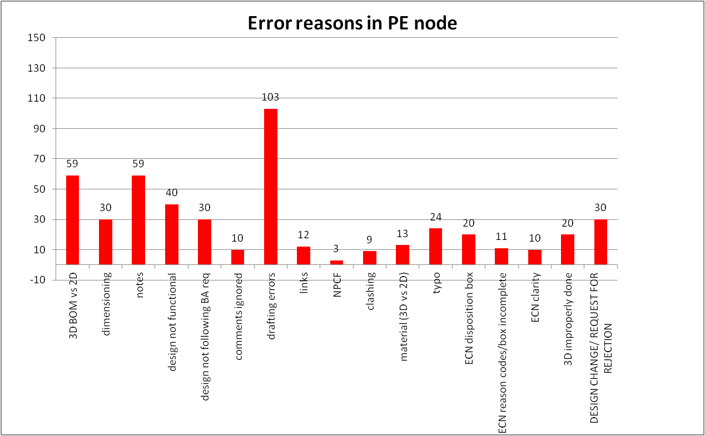

This macro will help reduce the most common errors seen at the Project engineer node

3D vs 2D: This will catch discrenpancy between the Drawing parts list on the 3D BOM. (Step 1 to 6)
Notes: Based on the nomenclature, the dwg code and the material code & the partnumber, notes would be automatically suggested to the designer. (Step 8)
NPCF: Based on the revision, the drawing code, and the material a NPCF could be generated automatically. (Step 9)
Typo: By exporting the text from the Drawing and the ECN into Excel or Word, a spell check can be done based on a custom "C&D Montreal Dictionary". (Step 10)

